DASHBOARD
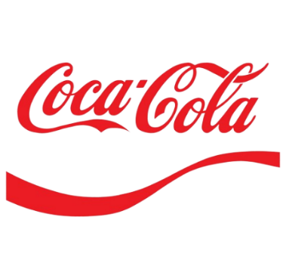
COCA-COLA USA Reatailer Dashboard
Figures in USD

Total sales
Units sold
Average price
Total opreating profit
25,07,827
50,12,790
$0.47
9,73,277

Sales By Beverage Brand |  |  |  | Sales By Retailer
Brand | Sales 2022 | Sales 2023 | Variance | Retailer | Sales 2022 | Sales 2023 | Variance
Coca-Cola | 119253 | 564879 | 684132 | Amazon | 248885 | 499884 | 748769
Dasani Water | 114619 | 389902 | 504521 | BevCo | 250381.1 | 540683.8 | 791065
Diet Coke | 93165 | 296421 | 389586 | FizzyCo | 5066.2 | 325111 | 330177
Fanta | 75960 | 190841 | 266801 | Target | 0 | 172321.8 | 172322
Powerade | 97842 | 249662 | 347504 | Walmart | 66350.5 | 0 | 66351
Sprite | 80288 | 234994 | 315282 | West Soda | 10443.1 | 388700.2 | 399143
Grand Total | 581126 | 1926701 | 2507827 | Grand Total | 581126 | 1926701 | 2507827

Sales And Opreating Profit Margin By Quarter
 | Sum of Total Sales | Average of Operating Margin
Qtr1 | 671841.6 | 0.4035188216
Qtr2 | 592732.8 | 0.41019493177
Qtr3 | 505777 | 0.41220556745
Qtr4 | 737475.3 | 0.41496815287

